DBD Micro
 |  | || | J1 |  | USB
 | è | o | TX0 |  |  | RAW | o
MAX3232 | ç | o | RX1 | ARDUINO MICRO |  | GND | o | GND | BT MODULE |  |  | ARDUINO | GND
 | - | o | GND |  |  | RST | o | RESET | RESET BUTTON2 |  |  | MICRO |  |  |  |  | RESET BUTTON1 (DEBUG)
RESET BUTTON1 | GND | o | GND |  |  | VCC | o | +5V |  | Connects to + on MAX3232 and +5V on BT modules |  |  | D8
 |  | o | D2 |  |  | A3 | o | TX
 |  | o | D3~ |  |  | A2 | o | RX | BT MODULE
LED1 | Cathode | o | D4 |  |  | A1 | o | STATE
 | Anode | o | D5~ |  |  | A0 | o | EN |  |  |  |  |  |  |  |  | RESET BUTTON2
LED2 | Anode | o | D6~ |  |  | D15 | o |  |  |  |  | ARDUINO | RESET
 | Cathode | o | D7 |  |  | D14 | o |  |  |  |  | MICRO
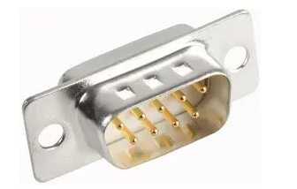
RESET BUTTON1 | Debug | o | D8 |  |  | D16 | o
 |  | o | D9~ |  |  | ~D10 | o

 | GND | - |  |  | MAX3232 Module |  | è | TXD | PIN 3 | MALE DB9 PLUG
ARDUINO | D2+D3 | + |  |  |  |  | ç | RXD | PIN 2
MICRO | TX0 | è | TTL | < | > | RS232 | +
 | RX1 | ç |  |  |  |  | - | GND | PIN 5 | MALE DB9 PLUG |  |  |  |  |  | ARDUINO
 |  |  |  |  |  |  |  |  |  |  |  |  |  |  |  | MICRO
 |  |  |  |  |  |  |  |  |  |  | HC-05 |  | è | STATE | O | A1

 |  |  |  |  |  |  |  |  |  |  |  |  | ç | RXD | O | A2

 |  |  |  |  |  |  |  |  |  |  |  |  | è | TXD | O | A3

 |  |  |  |  |  |  |  |  |  |  | Bluetooth Module |  | ç | GND | O | GND

 |  |  |  |  |  |  |  |  |  |  |  |  | ç | VCC | O | VCC

 |  |  |  |  |  |  |  |  |  |  |  |  | ç | EN | O | A0

Sheet1
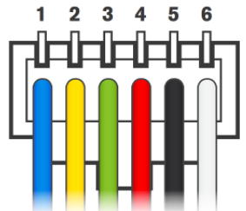
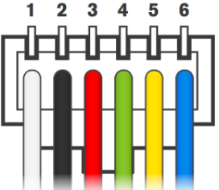
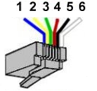

DC-DC Converter
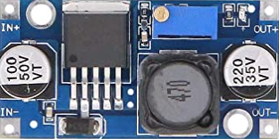
 | Potentiometer set to 7V
 |  | White | To Arduino VIN

+12V |  | +7V

From
PSU Connectors

 |  | Purple | To Arduino GND

GND |  | GND

Encoder
